PPR
Dorsolateral GPe | Before | During | After | Normalized PPR | Before | During | After | Before | Baseline (15min)
190330_c001 | 1.637105 | 2.374976 | 1.987317 | (%) | 100 | 145.07169668 | 121.39215261 | During | QP (10uM) treatment for 10 min
190417_c002 | 1.921249 | 2.201182 | 1.905628 |  | 100 | 114.57036542 | 99.186935166 | After | After QP (10uM) treatment for 15 min
190809_c001 | 0.906771 | 2.093817 | 1.120666 |  | 100 | 230.909127 | 123.58864587
190812_c001 | 1.385486 | 2.346975 | 1.606432 |  | 100 | 169.39723678 | 115.94718388 |  | PPR increased with statistical significance after QP treatment
190826_c001_data | 1.268685 | 2.413697 | 1.763307 |  | 100 | 190.25187497 | 138.98698258 |  | No statistical significace in PPR change after QP treatment
190828_c002_data | 0.876331 | 1.46756 | 1.647323 |  | 100 | 167.46640254 | 187.97954198
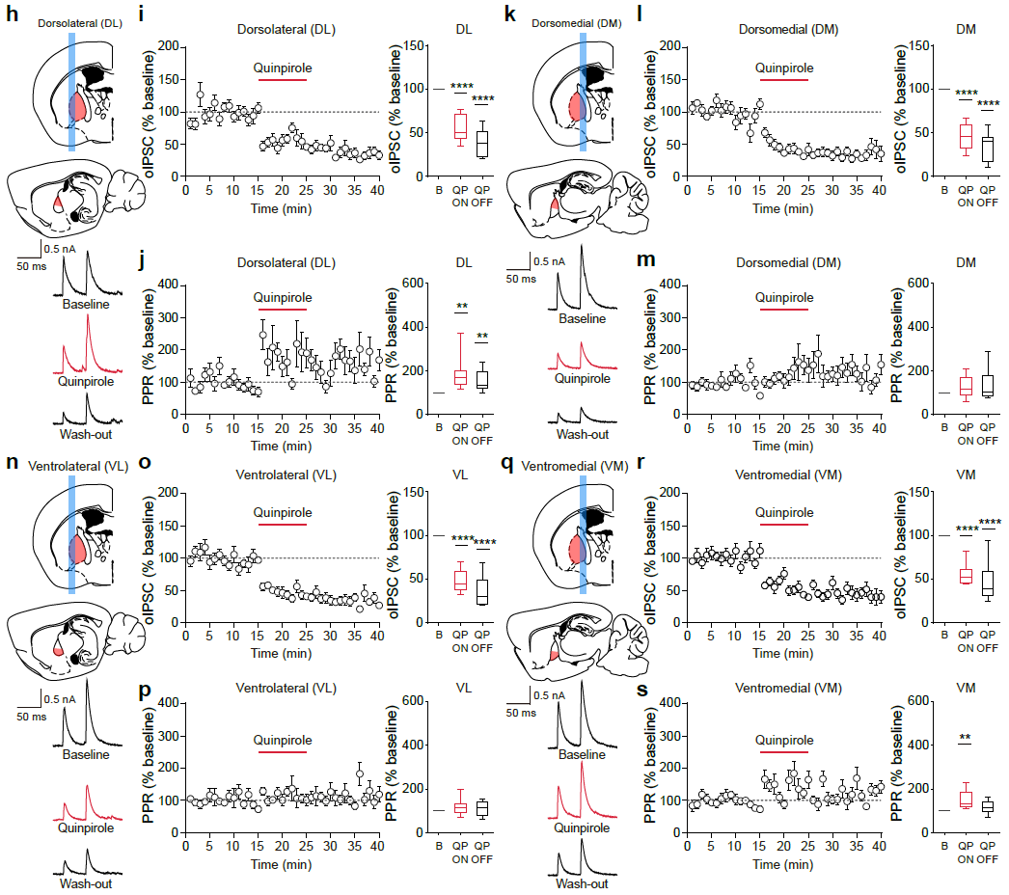
191107_c001 | 0.478935 | 0.733917 | 0.91433 |  | 100 | 153.23937486 | 190.908996
191107_c002 | 0.866132 | 1.022737 | 1.072952 |  | 100 | 118.08096226 | 123.8785774
191128_c001 | 0.79692 | 2.952499 | 1.905394 |  | 100 | 370.48875671 | 239.09476484
191223_c003 | 0.59115 | 1.064313 | 1.183909 |  | 100 | 180.04110632 | 200.27218134

Ventrolateral GPe | Before | During | After | Normalized PPR | Before | During | After
190420_c002 | 1.688875 | 1.784071 | 1.727224 |  | 100 | 105.63665162 | 102.27068315
190422_c001 | 0.808612 | 1.054394 | 1.070318 |  | 100 | 130.39554199 | 132.36484247
190617_c003 | 2.649822 | 2.942864 | 3.359405 |  | 100 | 111.05893151 | 126.77851569
190619_c001 | 2.835791 | 3.21762 | 1.746535 |  | 100 | 113.46463826 | 61.588988751
190718_c002 | 1.780037 | 2.349747 | 2.76676 |  | 100 | 132.00551449 | 155.43272415
191009_c001_data | 1.812646 | 1.238623 | 1.502362 |  | 100 | 68.332316404 | 82.882261622
191009_c002_data | 2.103706 | 1.601536 | 2.13946 |  | 100 | 76.129269014 | 101.69957209
191112_c001 | 0.747142 | 0.960802 | 1.023907 |  | 100 | 128.59697353 | 137.04315913
191112_c002 | 1.85469 | 1.792667 | 1.372475 |  | 100 | 96.655883193 | 74.000237236
191113_c001 | 0.884757 | 1.741366 | 1.304756 |  | 100 | 196.81856148 | 147.47054841

Dorsomedial GPe | Before | During | After | Normalized PPR | Before | During | After
190330_c002 | 1.428266 | 1.296653 | 1.724344 |  | 100 | 90.785119859 | 120.72989205
190330_c003 | 1.334319 | 0.778793 | 1.018946 |  | 100 | 58.366327692 | 76.364497545
190420_c003 | 1.383394 | 2.218245 | 2.225989 |  | 100 | 160.34802811 | 160.90781079
190617_c001 | 1.444077 | 1.785743 | 1.451702 |  | 100 | 123.65981869 | 100.52801894
190619_c002 | 2.531631 | 2.81184 | 1.907259 |  | 100 | 111.0683192 | 75.337164065
190720_c001 | 2.026611 | 2.689747 | 1.774829 |  | 100 | 132.72142508 | 87.576204807
190827_c002_data | 0.566378 | 1.188984 | 1.62405 |  | 100 | 209.92764549 | 286.74312915
191009_c003_data | 1.358517 | 2.549765 | 3.228575 |  | 100 | 187.68738264 | 237.6543687
191104_c001_data | 2.908824 | 2.272423 | 2.955641 |  | 100 | 78.121708292 | 101.60948204
191104_c002_data | 1.752898 | 1.93286 | 1.843713 |  | 100 | 110.26654146 | 105.18084909

Ventromedial GPe | Before | During | After | Normalized PPR | Before | During | After
190515_c002 | 0.818119 | 1.03552 | 0.924865 |  | 100 | 126.57327357 | 113.04773511
190517_c001 | 1.008133 | 1.122919 | 0.992228 |  | 100 | 111.38599768 | 98.422331181
190517_c002 | 1.07944 | 2.467918 | 1.502584 |  | 100 | 228.62947454 | 139.2003261
190518_c001 | 1.06232 | 1.25881 | 1.046266 |  | 100 | 118.49630996 | 98.488779276
190518_c002 | 1.395547 | 2.498882 | 1.975863 |  | 100 | 179.06111367 | 141.5834078
190722_c003 | 1.573708 | 2.094221 | 1.704763 |  | 100 | 133.07557692 | 108.32778381
190812_c002 | 1.343985 | 1.787773 | 1.722831 |  | 100 | 133.02030901 | 128.18826103
190826_c002_data | 2.099624 | 2.514 | 1.456293 |  | 100 | 119.73572411 | 69.359704404
190827_c001_data | 1.113846 | 2.186 | 1.825884 |  | 100 | 196.25693318 | 163.92607237
191105_c001 | 1.355272 | 1.578493 | 1.549026 |  | 100 | 116.47056827 | 114.29631838

